Sheet1
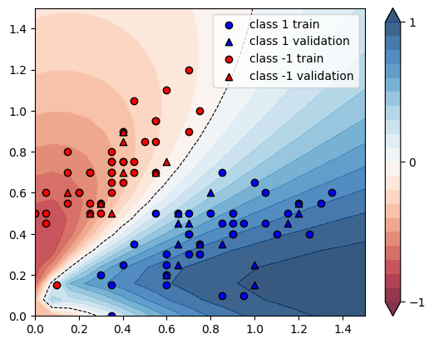
X | Y | conf_60 | guess_60 | conf_100 | guess_100 | increment
[0.4 0.75] | -1 | 0.6806 | Ok | 0.7957 | Ok | 0.16911548634
[0.3 0.5] | -1 | 0.7032 | Ok | 0.7877 | Ok | 0.12016496018
[0.2 0.6] | -1 | 0.8071 | Ok | 0.879 | Ok | 0.089084376162
[0.15 0.55] | -1 | 0.8405 | Ok | 0.8887 | Ok | 0.057346817371
[0.35 0.8 ] | -1 | 0.7044 | Ok | 0.8176 | Ok | 0.16070414537
[0.55 0.95] | -1 | 0.6108 | Ok | 0.7391 | Ok | 0.21005239031
[0.15 0.7 ] | -1 | 0.7945 | Ok | 0.8688 | Ok | 0.093517935809
[0.35 0.7 ] | -1 | 0.7101 | Ok | 0.818 | Ok | 0.15195042952
[0.05 0.45] | -1 | 0.8863 | Ok | 0.8618 | Ok | -0.027643010267
[0.3 0.55] | -1 | 0.7275 | Ok | 0.8164 | Ok | 0.12219931271
[0.55 0.85] | -1 | 0.6037 | Ok | 0.7284 | Ok | 0.20655954945
[0.25 0.7 ] | -1 | 0.7643 | Ok | 0.8582 | Ok | 0.12285751668
[0.25 0.5 ] | -1 | 0.762 | Ok | 0.8362 | Ok | 0.097375328084
[0. 0.5] | -1 | 0.8628 | Ok | 0.8451 | Ok | -0.020514603616
[0.75 1. ] | -1 | 0.5304 | Ok | 0.6589 | Ok | 0.24226998492
[0.7 1.2] | -1 | 0.5621 | Ok | 0.6951 | Ok | 0.23661270237
[0.55 0.95] | -1 | 0.6108 | Ok | 0.7391 | Ok | 0.21005239031
[0.4 0.75] | -1 | 0.6806 | Ok | 0.7957 | Ok | 0.16911548634
[0.7 0.9] | -1 | 0.5341 | Ok | 0.6586 | Ok | 0.23310241528
[0.4 0.9] | -1 | 0.6727 | Ok | 0.7929 | Ok | 0.17868291958
[0.55 0.7 ] | -1 | 0.5642 | Ok | 0.6769 | Ok | 0.19975186104
[0.4 0.85] | -1 | 0.6776 | Ok | 0.7968 | Ok | 0.1759149941
[0.15 0.8 ] | -1 | 0.7599 | Ok | 0.8439 | Ok | 0.11054086064
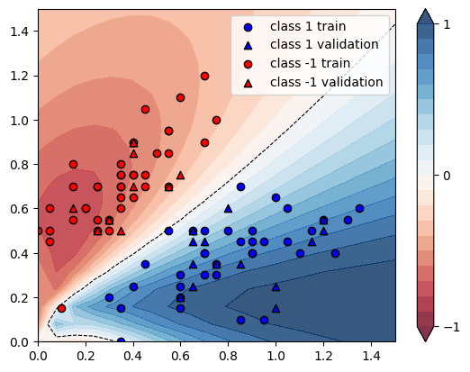
[0.4 0.65] | -1 | 0.6664 | Ok | 0.7743 | Ok | 0.16191476591
[0.25 0.7 ] | -1 | 0.7643 | Ok | 0.8582 | Ok | 0.12285751668
[0.35 0.5 ] | -1 | 0.6405 | Ok | 0.7299 | Ok | 0.13957845433
[0.35 0.7 ] | -1 | 0.7101 | Ok | 0.818 | Ok | 0.15195042952
[0.45 0.75] | -1 | 0.6495 | Ok | 0.767 | Ok | 0.18090839107
[0.45 0.7 ] | -1 | 0.6401 | Ok | 0.7541 | Ok | 0.17809717232
[0.2 0.6] | -1 | 0.8071 | Ok | 0.879 | Ok | 0.089084376162
[0.25 0.55] | -1 | 0.7749 | Ok | 0.8536 | Ok | 0.10156149181
[0.55 0.7 ] | -1 | 0.5642 | Ok | 0.6769 | Ok | 0.19975186104
[0.45 1.05] | -1 | 0.6393 | Ok | 0.7636 | Ok | 0.19443140935
[0.6 1.1] | -1 | 0.5923 | Ok | 0.7233 | Ok | 0.22117170353
[0.3 0.55] | -1 | 0.7275 | Ok | 0.8164 | Ok | 0.12219931271
[0.35 0.6 ] | -1 | 0.6955 | Ok | 0.7954 | Ok | 0.14363767074
[0.6 0.75] | -1 | 0.5484 | Ok | 0.6644 | Ok | 0.21152443472
[0.3 0.55] | -1 | 0.7275 | Ok | 0.8164 | Ok | 0.12219931271
[0.05 0.5 ] | -1 | 0.8727 | Ok | 0.8695 | Ok | -0.0036667812536
[0.4 0.7] | -1 | 0.6764 | Ok | 0.7884 | Ok | 0.16558249556
[0.35 0.75] | -1 | 0.7089 | Ok | 0.8198 | Ok | 0.15643955424
[0.1 0.15] | -1 | 0.3474 | Error | 0.3847 | Error | 0.10736902706
[0.05 0.6 ] | -1 | 0.8377 | Ok | 0.8692 | Ok | 0.037602960487
[0.35 0.75] | -1 | 0.7089 | Ok | 0.8198 | Ok | 0.15643955424
[0.4 0.9] | -1 | 0.6727 | Ok | 0.7929 | Ok | 0.17868291958
[0.25 0.5 ] | -1 | 0.762 | Ok | 0.8362 | Ok | 0.097375328084
[0.4 0.9] | -1 | 0.6727 | Ok | 0.7929 | Ok | 0.17868291958
[0.15 0.6 ] | -1 | 0.8273 | Ok | 0.8856 | Ok | 0.070470204279
[0.5 0.85] | -1 | 0.63 | Ok | 0.7541 | Ok | 0.19698412698
[0.35 0.65] | -1 | 0.7064 | Ok | 0.8105 | Ok | 0.14736693092
[1.35 0.6 ] | 1 | 0.8805 | Ok | 0.8498 | Ok | -0.034866553095
[1.05 0.6 ] | 1 | 0.798 | Ok | 0.7498 | Ok | -0.060401002506
[1.3 0.55] | 1 | 0.8965 | Ok | 0.8721 | Ok | -0.027216954824
[0.6 0.15] | 1 | 0.9431 | Ok | 0.9618 | Ok | 0.019828226063
[1.1 0.4] | 1 | 0.9412 | Ok | 0.9358 | Ok | -0.0057373565661
[0.7 0.4] | 1 | 0.8173 | Ok | 0.7901 | Ok | -0.033280313226
[1. 0.65] | 1 | 0.7445 | Ok | 0.6815 | Ok | -0.084620550705
[0.3 0.2] | 1 | 0.822 | Ok | 0.8243 | Ok | 0.002798053528
[1.15 0.45] | 1 | 0.9222 | Ok | 0.9096 | Ok | -0.013662979831
[0.45 0.35] | 1 | 0.7024 | Ok | 0.6595 | Ok | -0.061076309795
[0.35 0. ] | 1 | 0.5693 | Ok | 0.5244 | Ok | -0.078868786229
[0.8 0.5] | 1 | 0.7689 | Ok | 0.7228 | Ok | -0.059955780986
[0.85 0.1 ] | 1 | 0.9793 | Ok | 0.9909 | Ok | 0.011845195548
[0.9 0.45] | 1 | 0.8562 | Ok | 0.8316 | Ok | -0.028731604765
[0.65 0.45] | 1 | 0.7303 | Ok | 0.6817 | Ok | -0.066547993975
[1.2 0.55] | 1 | 0.8746 | Ok | 0.8458 | Ok | -0.032929339126
[0.65 0.5 ] | 1 | 0.674 | Ok | 0.6104 | Ok | -0.094362017804
[0.75 0.35] | 1 | 0.8885 | Ok | 0.8797 | Ok | -0.0099043331458
[0.95 0.1 ] | 1 | 0.9944 | Ok | 1.0055 | Ok | 0.011162510056
[0.65 0.25] | 1 | 0.9359 | Ok | 0.9464 | Ok | 0.011219147345
[0.8 0.6] | 1 | 0.6812 | Ok | 0.6095 | Ok | -0.10525543159
[0.9 0.4] | 1 | 0.8956 | Ok | 0.8829 | Ok | -0.014180437695
[1. 0.25] | 1 | 0.9952 | Ok | 1.008 | Ok | 0.012861736334
[0.9 0.4] | 1 | 0.8956 | Ok | 0.8829 | Ok | -0.014180437695
[1.05 0.45] | 1 | 0.9004 | Ok | 0.884 | Ok | -0.018214127055
[1.15 0.5 ] | 1 | 0.8927 | Ok | 0.871 | Ok | -0.024308278257
[1.25 0.4 ] | 1 | 0.9636 | Ok | 0.9611 | Ok | -0.0025944375259
[1.2 0.5] | 1 | 0.9037 | Ok | 0.884 | Ok | -0.021799269669
[0.85 0.45] | 1 | 0.8374 | Ok | 0.8091 | Ok | -0.03379508001
[0.7 0.3] | 1 | 0.9146 | Ok | 0.9158 | Ok | 0.0013120489832
[0.6 0.2] | 1 | 0.9448 | Ok | 0.9622 | Ok | 0.018416596105
[0.6 0.2] | 1 | 0.9448 | Ok | 0.9622 | Ok | 0.018416596105
[0.75 0.35] | 1 | 0.8885 | Ok | 0.8797 | Ok | -0.0099043331458
[0.85 0.35] | 1 | 0.9191 | Ok | 0.9153 | Ok | -0.004134479382
[0.55 0.5 ] | 1 | 0.5884 | Ok | 0.5119 | Ok | -0.13001359619
[0.85 0.7 ] | 1 | 0.6376 | Ok | 0.55 | Ok | -0.1373902133
[1.2 0.55] | 1 | 0.8746 | Ok | 0.8458 | Ok | -0.032929339126
[1. 0.15] | 1 | 1.0077 | Ok | 1.0222 | Ok | 0.014389203136
[0.65 0.5 ] | 1 | 0.674 | Ok | 0.6104 | Ok | -0.094362017804
[0.6 0.25] | 1 | 0.9213 | Ok | 0.9302 | Ok | 0.0096602626723
[0.6 0.3] | 1 | 0.8773 | Ok | 0.8725 | Ok | -0.0054713324974
[0.9 0.5] | 1 | 0.8152 | Ok | 0.7782 | Ok | -0.045387634936
[0.75 0.3 ] | 1 | 0.929 | Ok | 0.9323 | Ok | 0.0035522066738
[0.35 0.15] | 1 | 0.8546 | Ok | 0.8767 | Ok | 0.025860051486
[0.65 0.35] | 1 | 0.8466 | Ok | 0.8303 | Ok | -0.019253484526
[0.7 0.5] | 1 | 0.7097 | Ok | 0.6523 | Ok | -0.080879244751
[0.7 0.45] | 1 | 0.7629 | Ok | 0.7203 | Ok | -0.055839559575
[0.95 0.45] | 1 | 0.8728 | Ok | 0.8513 | Ok | -0.024633363886
[0.4 0.25] | 1 | 0.8268 | Ok | 0.8191 | Ok | -0.00931301403
[0.7 0.4] | 1 | 0.8173 | Ok | 0.7901 | Ok | -0.033280313226
 |  |  |  |  | AVG | 0.056910523226

